2.1Init Display(Edit)
C-2
C-1
3. Initial display (screen layout)
. Initial display (screen layout) | 3. Edit Evaluated Report
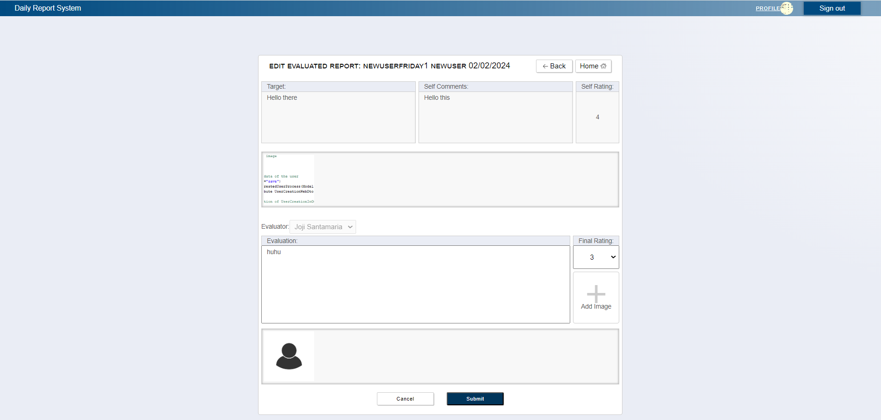

A-4,B-4,B-9

C-3
C-4

B-1
B-2
B-3

B-5

A-3,B-8
A-1,B-6

A-2,B-7

C-7

A-5,B-10

C-5
C-6

 | No | Area | Item Name | Notes | Source table fields
 | 1 | A-1 | Evaluator | text | M_USER_INFORMATION.first_name, M_USER_INFORMATION.last_name
 | 2 | A-2 | comment | text | ****
 | 3 | A-3 | Rating | text | ****
 | 4 | A-4 | Date | date | ****
 | 5 | A-5 | Images | Images | ****
 | 6 | B-1 | Title | text | T_DAILY_REPORT.reportDate
 | 7 | B-2 | Comment | text | T_SELF_EVALUATION.comment
 | 8 | B-3 | Rating | text | T_SELF_EVALUATION.rating
 | 9 | B-4 | Date | date | T_DAILY_REPORT.reportDate
 | 10 | B-5 | Images | Images | T_EVAL_ATTACHED_FILE.filePath
 | 11 | B-6 | Evaluator | text | T_FINAL_EVALUATION.userIdPK,M_USER_INFORMATION.firstName, M_USER_INFORMATION.lastName
 | 12 | B-7 | Comment | text | T_FINAL_EVALUATION.comment
 | 13 | B-8 | Rating | text | T_FINAL_EVALUATION.rating
 | 14 | B-9 | Date | date | T_DAILY_REPORT.reportDate
 | 15 | B-10 | Images | Images | T_EVAL_ATTACHED_FILE.filePath
 | 16 | C-1 | Logout | Logout form the web application | ****
 | 17 | C-2 | Profile | Move to User Profile Page | ****
 | 18 | C-3 | Back | Move back to previous Page | ****
 | 19 | C-4 | Home | Move back to Home Page | ****
 | 20 | C-5 | Cancel | Move back to Leader Top Page | ****
 | 21 | C-6 | Submit | Move to Confirmation Page | ****
 | 22 | C-7 | Upload | Upload Images | ****

2.2Init Display (Confirmation)
C-2
C-1
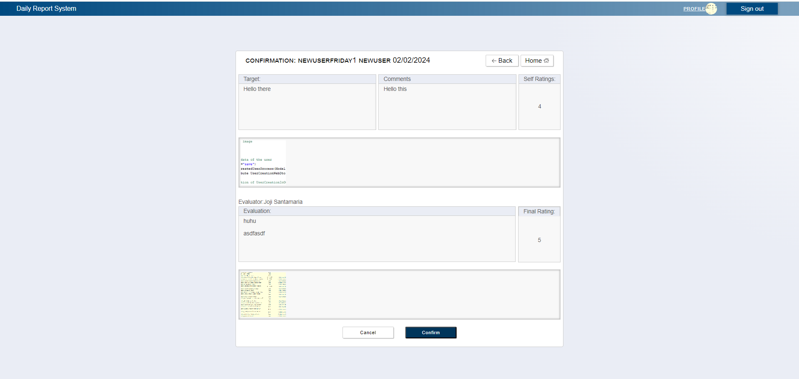
3. Initial display (screen layout)
. Initial display (screen layout) | 3. Edit Evaluated Report

B-4,B-9
C-3
C-4

B-1
B-2
B-3

B-5

B-6
B-8
,B-7

B-10

C-5
C-6

 | No | Area | Item Name | Notes | Source table fields
 | 1 | B-1 | Title | text | T_DAILY_REPORT.target
 | 2 | B-2 | Comment | text | T_SELF_EVALUATION.comment
 | 3 | B-3 | Rating | text | T_SELF_EVALUATION.rating
 | 4 | B-4 | Date | date | T_DAILY_REPORT.date
 | 5 | B-5 | Images | Images | T_EVAL_ATTACHED_FILE.file_path
 | 6 | B-6 | Evaluator | text | From Previous Screen
 | 7 | B-7 | Comment | text | From Previous Screen
 | 8 | B-8 | Rating | text | From Previous Screen
 | 9 | B-9 | Date | date | From Previous Screen
 | 10 | B-10 | Images | Images | From Previous Screen
 | 11 | C-1 | Logout | Logout form the web application | ****
 | 12 | C-2 | Profile | Move to User Profile Page | ****
 | 13 | C-3 | Back | Move back to previous Page | ****
 | 14 | C-4 | Home | Move back to Home Page | ****
 | 15 | C-5 | Cancel | Move back to Leader Top Page | ****
 | 16 | C-6 | Confirm | Move to save edited evaluated report in DB and return to leader top page with success message | ****

